Hist Debt Mkt Equity
 | - | Client Name |  |  |  |  |  |  |  |  |  |  |  |  |  |  |  |  |  | Workpaper 10
 |  | Please enter project description in START worksheet cell G13
 |  | Historical quarterly total debt to market equity gearing of guideline public companies
 |  | Estimation of value as of 28 February 2017

 |  |  | LQ-12 | LQ-11 | LQ-10 | LQ-9 | LQ-8 | LQ-7 | LQ-6 | LQ-5 | LQ-4 | LQ-3 | LQ-2 | LQ-1 | Last Qtr | 5-Yr Avg | 4-Yr Avg | 3-Yr Avg | 2-Yr Avg
n |  |  | n/a | n/a | n/a | n/a | n/a | n/a | n/a | n/a | n/a | n/a | n/a | n/a | n/a | n/a | n/a | n/a | n/a

n |  | -- | -- | -- | -- | -- | -- | -- | -- | -- | -- | -- | -- | -- | -- | -- | -- | -- | -- | `
n |  | -- | -- | -- | -- | -- | -- | -- | -- | -- | -- | -- | -- | -- | -- | -- | -- | -- | --
n |  | -- | -- | -- | -- | -- | -- | -- | -- | -- | -- | -- | -- | -- | -- | -- | -- | -- | --
n |  | -- | -- | -- | -- | -- | -- | -- | -- | -- | -- | -- | -- | -- | -- | -- | -- | -- | --
n |  | -- | -- | -- | -- | -- | -- | -- | -- | -- | -- | -- | -- | -- | -- | -- | -- | -- | --
n |  | -- | -- | -- | -- | -- | -- | -- | -- | -- | -- | -- | -- | -- | -- | -- | -- | -- | --
n |  | -- | -- | -- | -- | -- | -- | -- | -- | -- | -- | -- | -- | -- | -- | -- | -- | -- | --
n |  | -- | -- | -- | -- | -- | -- | -- | -- | -- | -- | -- | -- | -- | -- | -- | -- | -- | --
n |  | -- | -- | -- | -- | -- | -- | -- | -- | -- | -- | -- | -- | -- | -- | -- | -- | -- | --
n |  | -- | -- | -- | -- | -- | -- | -- | -- | -- | -- | -- | -- | -- | -- | -- | -- | -- | --
n |  | -- | -- | -- | -- | -- | -- | -- | -- | -- | -- | -- | -- | -- | -- | -- | -- | -- | --
n |  | -- | -- | -- | -- | -- | -- | -- | -- | -- | -- | -- | -- | -- | -- | -- | -- | -- | --
n |  | -- | -- | -- | -- | -- | -- | -- | -- | -- | -- | -- | -- | -- | -- | -- | -- | -- | --
n |  | -- | -- | -- | -- | -- | -- | -- | -- | -- | -- | -- | -- | -- | -- | -- | -- | -- | --
n |  | -- | -- | -- | -- | -- | -- | -- | -- | -- | -- | -- | -- | -- | -- | -- | -- | -- | --
n |  | -- | -- | -- | -- | -- | -- | -- | -- | -- | -- | -- | -- | -- | -- | -- | -- | -- | --
n |  | -- | -- | -- | -- | -- | -- | -- | -- | -- | -- | -- | -- | -- | -- | -- | -- | -- | --
n |  | -- | -- | -- | -- | -- | -- | -- | -- | -- | -- | -- | -- | -- | -- | -- | -- | -- | --
n |  | -- | -- | -- | -- | -- | -- | -- | -- | -- | -- | -- | -- | -- | -- | -- | -- | -- | --
n |  | -- | -- | -- | -- | -- | -- | -- | -- | -- | -- | -- | -- | -- | -- | -- | -- | -- | --
n |  | -- | -- | -- | -- | -- | -- | -- | -- | -- | -- | -- | -- | -- | -- | -- | -- | -- | --
n |  | -- | -- | -- | -- | -- | -- | -- | -- | -- | -- | -- | -- | -- | -- | -- | -- | -- | --
n |  | -- | -- | -- | -- | -- | -- | -- | -- | -- | -- | -- | -- | -- | -- | -- | -- | -- | --
n |  | -- | -- | -- | -- | -- | -- | -- | -- | -- | -- | -- | -- | -- | -- | -- | -- | -- | --

 |  | Mean of Guideline Cos | n/a | n/a | n/a | n/a | n/a | n/a | n/a | n/a | n/a | n/a | n/a | n/a | n/a | n/a | n/a | n/a | n/a
 |  | Median of Guideline Cos | n/a | n/a | n/a | n/a | n/a | n/a | n/a | n/a | n/a | n/a | n/a | n/a | n/a | n/a | n/a | n/a | n/a
 |  |  | 1
 |  | Q=Last quarter
 |  | Source: Capital IQ

 |  | Run date: 05-August-2018 02:34 PM. DRAFT document. All data subject to change upon completion of additional analysis.
 |  |  |  |  |  |  |  |  |  |  |  |  |  |  |  |  |  |  |  | Page End

 |  | List for guideline cos dropdown | Selection
 |  | Select one to compare with | 1
 |  | --
 |  | --
 |  | --
 |  | --
 |  | --
 |  | --
 |  | --
 |  | --
 |  | --
 |  | --
 |  | --
 |  | --
 |  | --
 |  | --
 |  | --
 |  | --
 |  | --
 |  | --
 |  | --
 |  | --
 |  | --
 |  | --
 |  | --
 |  | --

 |  | Charting range
 |  |  | LQ-12 | LQ-11 | LQ-10 | LQ-9 | LQ-8 | LQ-7 | LQ-6 | LQ-5 | LQ-4 | LQ-3 | LQ-2 | LQ-1 | Last Qtr
 |  |  | n/a | n/a | n/a | n/a | n/a | n/a | n/a | n/a | n/a | n/a | n/a | n/a | n/a
 |  | Mean of Guideline Cos | n/a | n/a | n/a | n/a | n/a | n/a | n/a | n/a | n/a | n/a | n/a | n/a | n/a
 |  | Median of Guideline Cos | n/a | n/a | n/a | n/a | n/a | n/a | n/a | n/a | n/a | n/a | n/a | n/a | n/a
n |  | Select one to compare with | #N/A | #N/A | #N/A | #N/A | #N/A | #N/A | #N/A | #N/A | #N/A | #N/A | #N/A | #N/A | #N/A

ValueBridge
 | - | Caterpillar Inc. |  |  |  |  |  |  |  | Exhibit 23
 |  | Client Name
 |  | Value Bridge
 |  | Estimation of value as of 28 February 2017
 |  | (USD in Millions)

 |  | Value Bridge Summary
 | Start & End | Before | After | Cumulative for error bar connectors | Data Label Y Position
Discounted Cash Flow Method | 0 | - | - | - | -
Single-period cap |  | - | - | - | -
Guideline Public Company Method |  | - | - | - | -
Guideline Transactions Method |  | - | - | - | -
Cash & short-term investments |  | - | - | - | -
Excess/(deficient) DFNWC |  | - | - | - | -
Non-operating assets/(liabilities) |  | - | - | - | -
Other |  | - | - | - | -
Indicated TIC | 0 | - | - | - | -
Less: Total debt & capital leases |  | - | - | - | -
Concluded equity (controlling marketable) | 0 | - | - | - | -
DLOC, DLOM |  | - | - | - | -
Other |  | - | - | - | -
Recommended value | 0 | - | - |  | -

 |  | Run date: 05-August-2018 02:34 PM. DRAFT document. All data subject to change upon completion of additional analysis.

 |  | Value Bridge Logic

 |  |  |  | Values | Cumulative for error bar connectors | Start & End | Before | After | Data Label Y Position
n |  |  | Discounted Cash Flow Method | 0 | - | 0 | Cumulative for error bar connectors | - | -
n |  |  | Single-period cap | 0 | - |  | - | - | -
n |  |  | Guideline Public Company Method | 0 | - |  | - | - | -
n |  |  | Guideline Transactions Method | 0 | - |  | - | - | -
n |  |  | Cash & short-term investments | 0 | - |  | - | - | -
n |  |  | Excess/(deficient) DFNWC | 0 | - |  | - | - | -
n |  |  | Non-operating assets/(liabilities) | 0 | - |  | - | - | -
n |  |  | Other | 0 | - |  | - | - | -
n |  |  | Indicated TIC | 0 | - | 0 | - | - | -
n |  |  | Less: Total debt & capital leases | 0 | - |  | - | - | -
n |  |  | Concluded equity (controlling marketable) | 0 | - | 0 | - | - | -
n |  |  | DLOC, DLOM | 0 | - |  | - | - | -
n |  |  | Other | 0 | - |  | - | - | -
n |  |  | Recommended value | 0 |  | 0 | - | - | -

Do not print |  |  |  |  |  |  |  |  |  | This page does not print | Page end

BarChart
 | Client Name

FY17
FY18
FY19
FY20
FY21
FY22
 | Chart title | YOY revenue trend by product
 | Vertical axis title | $ millions

 |  | x | x | x | x | x | x
 |  | 2017 | 2018 | 2019 | 2020 | 2021 | 2022
 |  | FY17 | FY18 | FY19 | FY20 | FY21 | FY22
x
x
x
x
x
x

 | Run date: 05-August-2018 02:34 PM. DRAFT document. All data subject to change upon completion of additional analysis.

PieChart
 | Client Name

 | Chart title | YOY revenue trend by product
 | Vertical axis title | $ millions

 |  | x | x | x | x | x | x
 |  | 2017 | 2018 | 2019 | 2020 | 2021 | 2022 | Pie Chart selector
 |  | FY17 | FY18 | FY19 | FY20 | FY21 | FY22 | FY05
x |  |  |  |  |  |  |  | #N/A
x |  |  |  |  |  |  |  | #N/A
x |  |  |  |  |  |  |  | #N/A
x |  |  |  |  |  |  |  | #N/A
x |  |  |  |  |  |  |  | #N/A
x |  |  |  |  |  |  |  | #N/A

 | Run date: 05-August-2018 02:34 PM. DRAFT document. All data subject to change upon completion of additional analysis.

User's Guide
 | VISTA Version 3.1 August 25 2017 32/64-bit
 | User's Guide

 | 1 | Starting

 |  |  | Starting
 |  |  | You must enable the macros in the model when the file is first opened. The file is stored with all sheets hidden. When the macros are enabled, the model automatically starts the Unhide Worksheets macro to unhide the hidden sheets. The sheets can only be unhidden through this macro.

 |  |  | All input cells are pale yellow with blue font. Make entries into the model only in these cells. Do not touch other cells.

 |  |  | You must be logged into Capital IQ
 |  |  | Because the model uses Capital IQ for its data downloads, it should be running in your Excel: You should be able to see the "Capital IQ" tab in the ribbon (the Excel menu at the top of the screen). If you do not see it, check with your local help desk to have it enabled.

 |  |  | If you do not seem to be connected to Capital IQ, check in the Add-In form that the Capital IQ Worksheet Functions checkbox is checked.

 |  |  | To expedite the Capital IQ data refresh, Vista turns off the "Automatically retrieve Capital IQ data" setting (Capital IQ>Settings>Settings>Data) at the start of its macro run, and then turns it back on to retrieve the data at one point in the macro sequence. Vista then sets the auto-retrieve setting to whatever it was set to in your machine when you quit the model.

 |  |  | You should be connected to the EY network
 |  |  | To benefit from the informational links in the model, you should be signed into the EY network. However, if you are relying only on the Capital IQ data, you do not need to be connected to the EY network.

 |  |  | Controls: the ribbon
 |  |  | Vista has its own custom ribbon. This has the controls for the macros in the model. You can activate the ribbon by clicking the tab "VISTA".

 |  |  | To activate it without a mouse, press Alt and the character "S".

 |  |  | Once the Alt+S is entered, the letters that appear against the commands in the ribbon are the keys that will invoke that command. For example, the shortcut keystroke combination to insert a blank worksheet is Alt+S, I. If you have other add-ins in your Excel that has taken up the shortcut letter "S", the VISTA tab may show other letters such as "Y(x)" where x is a numeral indicating the number of multiple conflicting shortcut letters.

 | 2 | How to Begin

 |  |  | All input cells are marked with a yellow background as shown here. All other cells contain calculations and formulas and should not be touched.

 |  |  | Go the START screen.

 |  |  | Vista is a tool to perform a valuation on your subject company. It uses benchmark data from up to 25 other companies (the "guideline public companies"). In typical use, the subject company is a privately held company so that there is no publicly trade share price (which is a measure of value), and the guideline public companies are publicly trade companies. So:

 |  |  | The subject company typically requires a manual input of its historical and current data, as well as forecast asssumptions for the "prospective financial information" ("PFI").

 |  |  | The guideline public companies will rely on downloads of publicly available data from Capital IQ. You can specify the guideline public company tickers that the model will use, or use (usually for a quick initial research) Capital IQ's Auto-Comp feature to automatically selelct 10 guideline comanies (the Auto Comp has a limit of 10 companlies).

 |  |  | Entering Subject Company data manually
 |  |  | 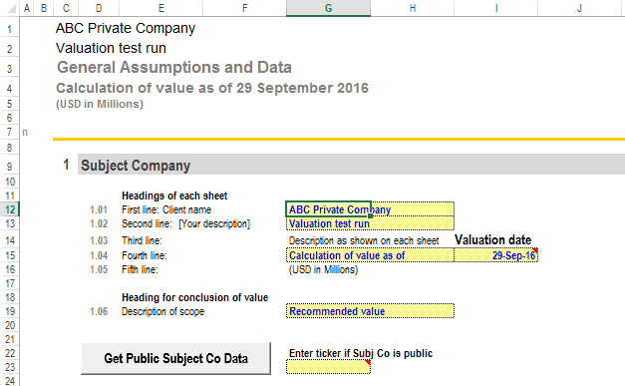

 |  |  | 1. Enter the client name in entry 1.01 (row 12)
 |  |  | 2. Enter the valuation date in Column I of entry 1.04. The valuation date is important as it defines the point in time for discounting purposes.
 |  |  | 3. As this is a privately held company, DO NOT enter any tickers in Cell G23. There is also NO need to click the button marked "Get Public Subject Co Data"
 |  |  | 4. Enter other information as appropriate.
 |  |  | 5. Review all other settings at the bottom of the START sheet
 |  |  | 6. Then go to the worksheet "SUBJ CO Hist IS Input" to enter the income statement historical data for the subject company.
 |  |  | 7. Go to the SUBJ CO Hist BS Input to enter the balance sheet historical data for the company.

 |  |  | Entering Subject Company data by Capital IQ
 |  |  | 1. Enter the client name in entry 1.01 (row 12)
 |  |  | 2. Enter the valuation date in Column I of entry 1.04. The valuation date is important as it defines the point in time for discounting purposes.
 |  |  | 3. Click the button marked "Get Public Subject Co Data". Enter the ticker in the input box in the form. Define or check the valuation date. Select the regional labelling for Total invested capital/Enterprise value and Leverage/Gearing. Click OK.

 |  |  | 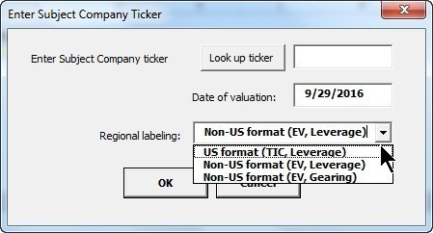

 |  |  | 4. Then go to the worksheet "SUBJ CO Hist IS Input" and check that the income statement historical data for the subject company has been downloaded properly into the model. The formatting of the data input rows has changed so that it is no longer yellow.
 |  |  | 5. Go to the SUBJ CO Hist BS Input check that the balance sheet historical data for the subject company has been downloaded properly. The formatting of the data input rows has changed so that it is no longer yellow.

 |  |  | Entering the Guideline public company data by Capital IQ
 |  |  | Go to the DATA GC worksheet. Click on the "Download Cap IQ Data" button

 |  | 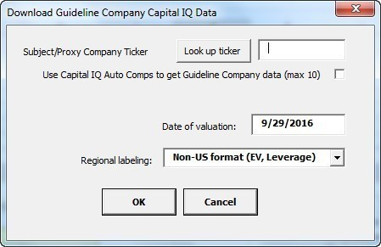
 |  |  | Enter Subject/Proxy Company ticker
 |  |  | This entry is important only if you wish to have Capital IQ automatically download quideline public companies that are peers to the subject company. If the subject company is not publicly traded, then enter the ticker of a comparable company which by proxy can serve as the anchor company for Capital IQ to auto select the guideline public companies.

 |  |  | Use Capital IQ Auto Comps to get Guideline public company data (max 10)
 |  |  | Check this box is you wih to have Capital IQ automatically select guideline public companies for the ticker you have entered. The Auto Comp can select only up to 10 companies.

 |  |  | If you do not want the Auto Comp feature, leave the two entries blank.

 |  |  | Date of valuation
 |  |  | Confirm that this is the date of valuation. This should be the same as the date seen in the START page.

 |  |  | Regional labelling
 |  |  | Select the regional labelling for Total invested capital/Enterprise value and Leverage/Gearing. Click OK.

 | 3 | Other menu commands

 |  |  | Setup
 |  |  | Unhide Worksheets
 |  |  | Vista selectively hides all the worksheets during the saving process and then automatically unhides them after the saving is done. Click on this if the macro to unhide does not automatically kick in for some reason.

 |  |  | Hide Worksheets
 |  |  | This hides supplementary sheets in the model.

 |  |  | Insert Blank Sheet
 |  |  | You can insert as many blank sheets as required as "scrtach pads", either for your supplementary input worksheets or as output report sheets.

 |  |  | Grid View On/Off
 |  |  | This is a toggle to turn the grid background off and on. Note: even when the grid is on, it will not appear in the printing (unless you specifically set that in the print setting).

 |  |  | Adjust Zoom
 |  |  | You can adjust the zoom of the individual worksheets manually. This command allows you to reset the zoom in all the worksheets at onece. A user form gives standard zoom sizes, but you can also set your own custom zoom percentage.

 |  |  | Data Input Format
 |  |  | You have a cjoice of working with the model with only P&L data, or with P&L and Balance sheet data. (In either case, the model will ask for inputs for working capital and capital expenditures.). When the P&L is selected, the inputs for Balance Sheet, and the outputs for Balance Sheet and the Cash Flow Statement will be hidden.

 |  |  | Capital IQ
 |  |  | Refresh Data
 |  |  | This is equivalent to the Capital IQ refresh workbook command. To refresh a selection within a worksheet, use the Ctrl+Shift+S shortcut.

 |  |  | Navigation
 |  |  | START page
 |  |  | This is a quick button to get you to the START worksheet from anywhere in the model

 |  |  | Table of Contents
 |  |  | The Table of Contents serves also as the list of worksheets that will be printed when the "Print Sheets Selected in TOC" is clicked.

 |  |  | Go to
 |  |  | A dropdown of worksheets to navigate to.

 |  |  | Review
 |  |  | Error Check
 |  |  | This command brings you to the Error check sheet which shows areas in the model that might require checking

 |  |  | Trace Precedents or Trace Dependents
 |  |  | To check precedents or dependents of cells, highlight a range of cells and then click on the icon in the Review section. The Trace Precedents and Trace Dependents macros can do traces on ranges, not just individual cells (the native Excel functionality only traces to and from a single cell).

 |  |  | Remove All Arrows
 |  |  | The Remove All Arrows removes any of the arrows created in the Trace Precedents or Trace Dependents sequence.

 |  |  | Write a Note
 |  |  | From anywhere in the sheet, click on this command to write a note through an input form. The note is compiled in a new tab that appear, called Notes. If you highlight a cell or a range of cells while you do this, the location will be noted in the Notes listing.

 |  |  | Go to/Return from a Note
 |  |  | From anywhere in the sheet, click on this command to review the notes made in the Notes worksheet. The cursor is set to find the latest note of the worksheet in which your cursor was located, if any, when you clicked this command.

 |  |  | From the Notes tab, you can click on the Go/toReturn from a Note and return to the Vista to the point noted in the Note.

 |  |  | Printing
 |  |  | Clear Print List in TOC (Table of Contents)
 |  |  | The Table of Contents serves as the list of worksheets that the print macro (from the "Print Sheets Selected in TOC" command) will print. This command clears the list to be printed.

 |  |  | Use Last Print List
 |  |  | After a printing sequence, you might want to retrieve the list of worksheets that you had last used to print. Click this command to use that last set of printouts.

 |  |  | Print Selected Sheet(s)
 |  |  | This will print any worksheet whose tab has been selected. This can be just one worksheet (the current sheet) or multiple sheets that have been selected by either Shift+mouse click (to select continguous sheets) or Ctrl+mouse click (to select non-continguous sheets). Always use this command to print (as opposed to doing a manual Excel print command) as the macro includes page formatting and auto filtering (to hide rows with 0s only).

 |  |  | Gather Sheets to Print
 |  |  | This is a way of defining (or gathering) the sheets to be printed. The selected sheets will appear in the Table of Contents (TOC) worksheet, and they will be printed when the "Print Sheets Selected in TOC" command is launched.

 |  |  | Print Sheets Selected in TOC
 |  |  | Once the list of worksheets has been defined by the "Gather Sheet(s) to Print", this command will start the command that will print all the selected sheets.

 | 4 | Other Notes

 |  |  | Turning off Capital IQ shortcut keys
 |  |  | Capital IQ has its own shortcut keys. The Vista shortcut keys do not work if the Capital IQ keys are enabled. To disable Capital IQ's shortcut keys, go to the Capital IQ tab, Settings, Settings. From the left columns, select General (under Shortcuts). Then uncheck the check box under the General heading at the top of the form.
 |  | 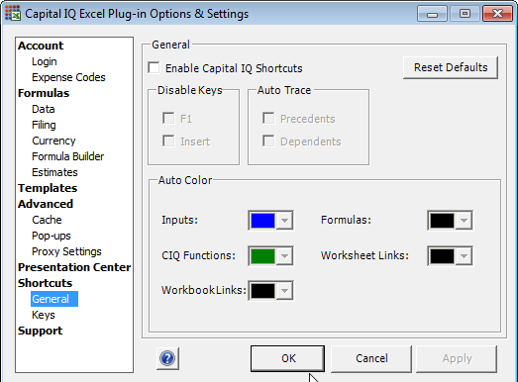
r |  | End

